Cover Page
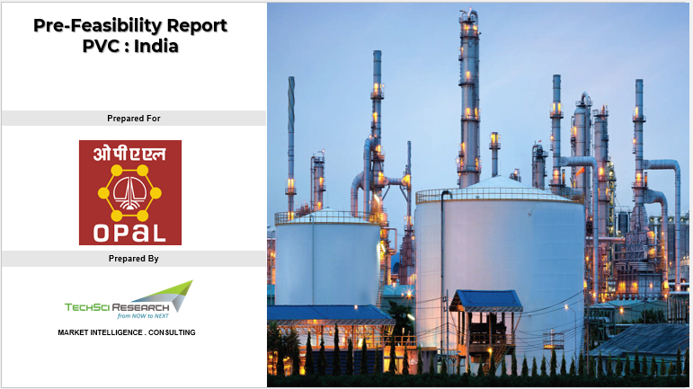

Dashboard
Capacity for 350 KTPA PVC Resin and 200 KTPA Phenol + 123 KTPA Acetone (Ethane Furnace Addition)
Total Capacity
8,592 INR Cr
Total Investment
17,021 INR Cr
14.6%
4.2 Yrs
NPV
IRR
Payback (Yrs)
5
1

 | Scenario 5
Raw materials |  | Tonne |  | INR / Tonne | Select Financial Year | 2045 | Annual Cost of Production
Financials
 | Operating Revenue | Total Operating Cost | Gross Margin (EBITDA/PBITDA) | Net Cash Flow
INR Cr | 13,428 | 7,568 | 5,859 | 5,859
 | INR Crore
Total Variable Cost | 3,050
Total Fixed Cost | 161

Capex
 | INR Crore
CAPEX PVC OPTION 1 | 4,159
CAPEX PHENOL OPTION 1 | 1,769
ETHANE FURNACE ADDITION | 2,664
Opex
 | MANUFACTURING COST | Raw materials | Catalyst & Chemicals | Labour | Variable Overheads | Fixed Overheads | Selling Overheads | Total Operating Cost
INR Crore | 3,039 | 2,352 | 150 | 54 | 376 | 107 | 172 | 3,211
Net Margin Change for Existing Co-Products |  |  |  |  | Total Capital Investment |  | Operating Cost
Particulars |  |  | Propane Furnace Addition | Ethane Furnace Addition
PVC and Phenol Projects both included
Net Revenue Change INR Cr |  |  | 849 | -315

If OPaL does not go for PVC
Net Revenue Change INR Cr |  |  | 2053 | 889

If OPaL does not go for Phenol
Net Revenue Change INR Cr |  |  | 1561 | 398

If OPaL doesn't go for both PVC & Phenol Projects
Net Revenue Change INR Cr |  |  | 2765 | 1601

